Growth Rate Calculation
Non Cash ROE |  |  |  | Equity Reinvestment Rate

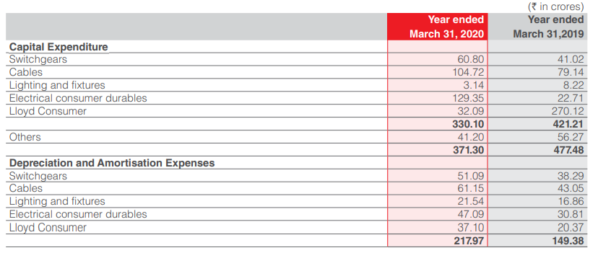
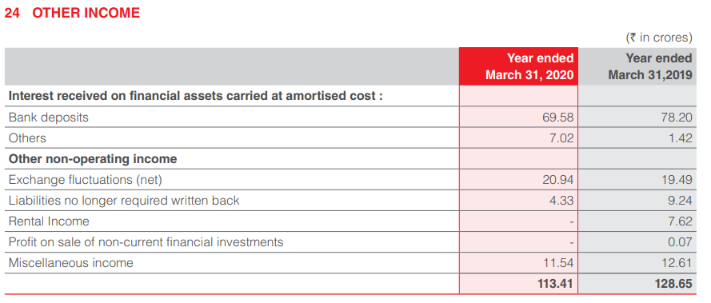
Net Income | 735.35 |  |  | Capital Expenditure | 371.3
Book value of equity | 4311.56 |  |  |  | March 31, 2020 | March 31, 2019
Cash and cash equivalents | 267.7 |  |  | Current Assets | 3,460.84 | 3,826.23
 |  |  |  | Current Liabilities | 2,326.90 | 2,539.58
Pre-tax income from cash and cash equivalents | 76.6
Applicable tax | 0.25168 |  |  | Working Capital | 1,133.94 | 1,286.65
After-tax income from cash and cash equivalents | 57.321312 |  |  | Net change in Working Capital | -152.71
Non-cash net income | 678.028688 |  |  | Depreciation and Amortisation Expenses | 217.97
Non-cash ROE | 0.16766868487
 |  |  |  |  | March 31, 2020 | March 31, 2019
Here it is assumed that 'Others', and 'Miscellaneous income' don't result from cash and cash equivalents |  |  |  | Long term Borrowing | 0 | 40.5

 |  |  |  | Debt issued | -40.5
All figures in crores
 |  |  |  | Equity Reinvestment Rate | 0.06064640144
Current year
Expected Growth Rate in Net Income |  | 1.0169% |  | It is worth noting that in 2020, the company has had a dividend payout ratio of 72.33% as sharp contrast from the usual dividend payout ratio in the last 5 years which usually lay around 30%. This might indicate an effect of the coronavirus pandemic and needs to be corrected. I will assume that Non-cash ROE remains relatively constant as can be seen from the trends of the previous years. The equity reinvestment rate will vary across a period of 5 years before settling to a stable value
Over past 5 years, company has grown at an average rate: -
Stable Growth Rate in Net Income |  | 12.6018% | Pre COVID-19

FCFE Projections
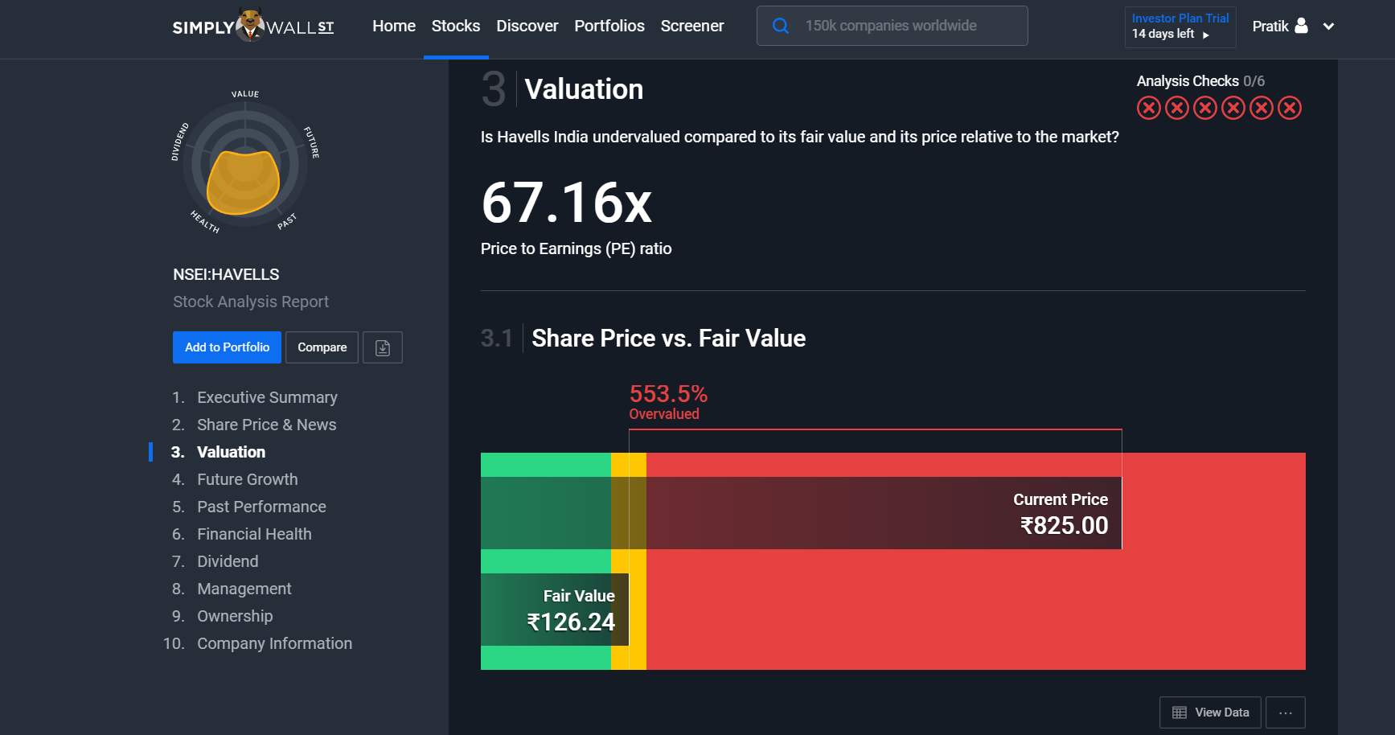
Free Cash Flow Projections

Here it is assumed that the effect of the pandemic will drive growth down further over the course of the current fiscal year
Post that over the next 5 years, company will move towards stable period growth rate
 |  |  | Quadratic Growth |  |  |  |  | Linear Decline
 | Current Year | 1 | 2 | 3 | 4 | 5 | 6 | 7 | 8 | 9 | 10
 | March 31, 2020 | March 31, 2021 | March 31, 2022 | March 31, 2023 | March 31, 2024 | March 31, 2025 | March 31, 2026 | March 31, 2027 | March 31, 2028 | March 31, 2029 | March 31, 2030
Growth Rate | 0.010168502371 | 0 | 0.056357021914 | 0.079700864726 | 0.097613225318 | 0.11271404383 | 0.12601813229 | 0.11129701066 | 0.096575889038 | 0.081854767413 | 0.067133645788
Net Income | 683.75573257 | 690.70850435 | 690.70850435 | 729.63477867 | 787.78730146 | 864.68576083 | 962.14798957 | 1083.3960822 | 1203.9748275 | 1320.2497669 | 1428.3185044
Equity Reinvestment rate | 0.06064640144 | 0 | 0.33612133332 | 0.47534734818 | 0.58217922681 | 0.67224266663 | 0.75159015164 | 0.75159015164 | 0.75159015164 | 0.75159015164 | 0.75159015164
FCFE | 642.28840792 | 690.70850435 | 458.54664094 | 382.80482149 | 329.15389941 | 283.40709917 | 239.00703619 | 269.12625649 | 299.07920433 | 327.96304438 | 354.80838309
Cost of Equity (assumed constant across 5 years) |  | 0.089322146706 | 0.089322146706 | 0.089322146706 | 0.089322146706 | 0.089322146706 | 0.089322146706 | 0.089322146706 | 0.089322146706 | 0.089322146706 | 0.089322146706
Cumulative cost of equity |  | 1.0893221467 | 1.1866227393 | 1.2926144297 | 1.4080735254 | 1.5338456754 | 1.6708520639 | 1.8200961571 | 1.982671053 | 2.1597674877 | 2.3526825561
Present Value |  | 634.07184591 | 386.43001331 | 296.1477241 | 233.76186929 | 184.76897885 | 143.04500162 | 147.86375733 | 150.8466086 | 151.85108871 | 150.81013891
Total |  |  |  |  |  |  |  |  |  |  | 2479.5970266

Since the company has been historically seen to raise funds primarily via equity financing, I assume this trend will continue into the future
Expected net income in year 11 | 1524.206733
Equity reinvestment in year 11 | 0.75159015164 |  | Stable Period Growth Rate | 0.067133645788 | In the stable period return on equity will equal cost of equity
FCFE in year 11 | 378.62796341
Terminal Value | 17064.1525
Present Value of Terminal Value | 7253.062023 |  | Stable period cost of equity

Value of Equity in Operating Assets | 9732.6590496 |  | Risk free rate | 0.0583
Cash and Marketable securities | 267.7 |  | Rm | 0.085019052793
Value of Equity | 10000.35905 |  | Beta | 1.161049643
Number of Shares | 625,802,834 |  | Cost of Equity | 0.089322146706

Value of Equity per share | 159.80047559

At the time of valuation, Havells share price was Rs. 826.10

Hence Havells share is overvalued and recommendation is to sell

Note: While there is a huge difference in the intrinsic and market values, I cross checked my value of share with a few other resources. All of them value Havells in the 125-155 range. As a matter of fact, significant insider trading has been reported

Links:
http://www.attainix.com/ICTrackerDetail.aspx?stockcode=HAVELLS.IN
https://billiondollarvaluation.com/havells-valuation-excel-model-and-intrinsic-value-of-shares/?amp
https://simplywall.st/stocks/in/capital-goods/nse-havells/havells-india-shares
https://www.gurufocus.com/term/iv_dcf_share/NSE:HAVELLS/Intrinsic-Value-Projected-FCF/Havells-India-Ltd

